Contact information
Bioresources physical and contract information |  | Thames Water Utilities Limited (TWUL)

Purpose | This spreadsheet provides information about water and sewerage company sewage sludge production sites (known as wastewater treatment works (WwTWs) and sludge treatment facilities (STCs). It is provided in line with guidelines published by Ofwat on its website. Companies are required to provide data under the columns marked mandatory. Any additional information can be provided on a voluntary basis. | The water and sewerage company areas in England and Wales
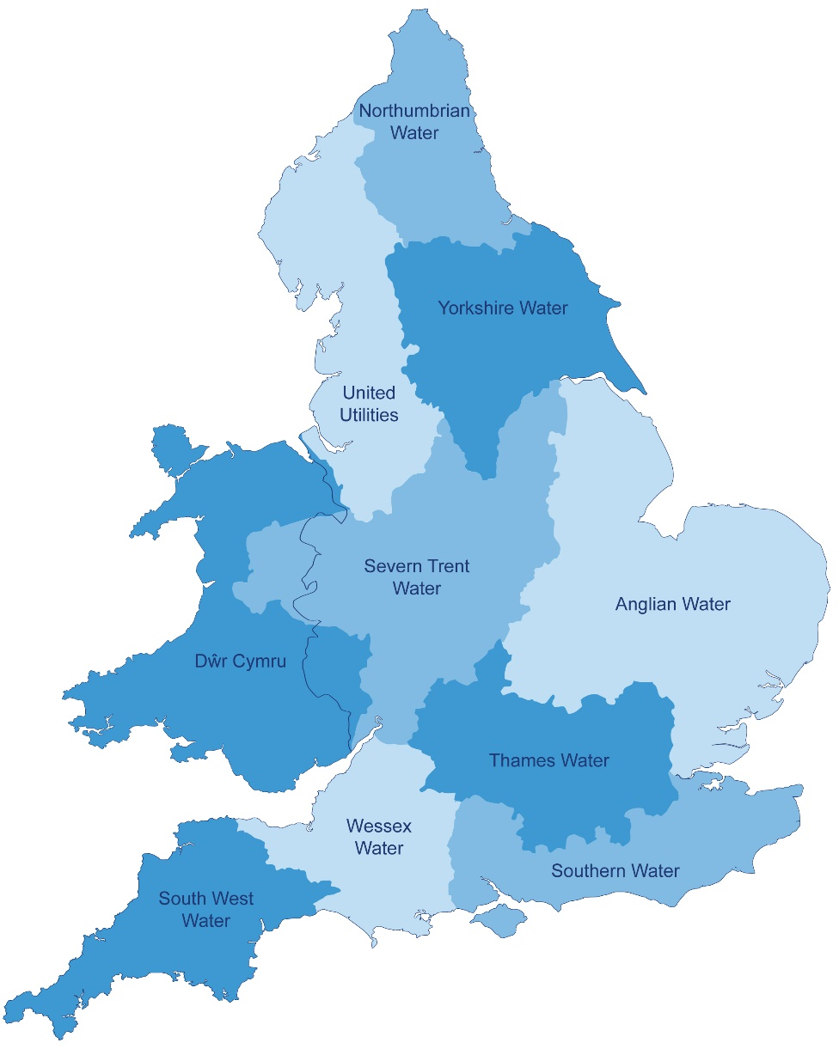
Water and Sewerage Company name | Thames Water Utilities Limited (TWUL)
Financial Year the data relates to | 2017-18
Date the spreadsheet was published | 31st July 2018
Contact details for anyone wanting to discuss commercial opportunities arising from this information | Garry Strange Sludge Strategy Manager garry.strange@thameswater.co.uk
Brief description of geographical boundary of data included here | All current sludge operations within TWUL boundary

Brief description of level of data assurance | This information has been assured as part of company annual performance review. As such it has undergone an internal check, review and sign off process of the methodology undertaken and the data produced. The information has then been externally audited by KMPG. The final data tables have been signed off through a Board approval process, so that the Board is fully aware of the information being released.

Summary of significant changes since the most recently previously published version of the information and this version | 1) Volumes updated with current year. 2) Details of tanker sizes are those currently used for operational issues & road haulage - see WWTW column V. A potentially larger vehicle could be used if routed to site differently and access modifications undertaken on site. 3) Sites that don't generally export have been given a nominal 3%DS thickened sludge figure, but this could vary depending on where in the process the sludge is tankered from. 4) Volatile matter content given nominal 75% for chemically dosed and 80% for other sites. 5) Site manned opening times are normally 7am-3pm, Mon-Fri but tanker access hours shown in WWTW column U and STC column M for STC access hours.

 | Key: Input cell colour

Spreadsheet template version 1, April 2017

