L1 Table
Table 1. Percentage of total population having studies in DWMP28 and total population undergoing each stage of the DWMP in the last five years

Type of study / DWMP Stage | Percentage of total population planned to be served by each stage of DWMP28 | Percentage of total population served by each stage in the last five years | Comment
Unit | Percent | Percent | Text
Decimal Place | 3 | 3 | N/A
Collaboration | 100.000 | 100.000 | The information in column C is from the non statutory DWMP published in 2023 which had a more limited scope.
Strategic Context | 100.000 | 100.000
Options Toolkit | 100.000 | 100.000
Risk-based planning | 100.000 | 100.000
Output from Risk-based planning - Detailed study required | 99.982 | 99.766
Output from Risk-based planning - water quality impact study required | 99.295 | N/A | Water quality impact studies were not included in the non-statutory DWMP published in 2023.
Prepare tools | tbc | 100.000 | In DWMP23 there was some form of study in all catchments, even if prior stages denoted the catchment as low risk.
Risks and options | tbc | 100.000
Preferred plan | tbc | 100.000
Reporting | tbc | 100.000

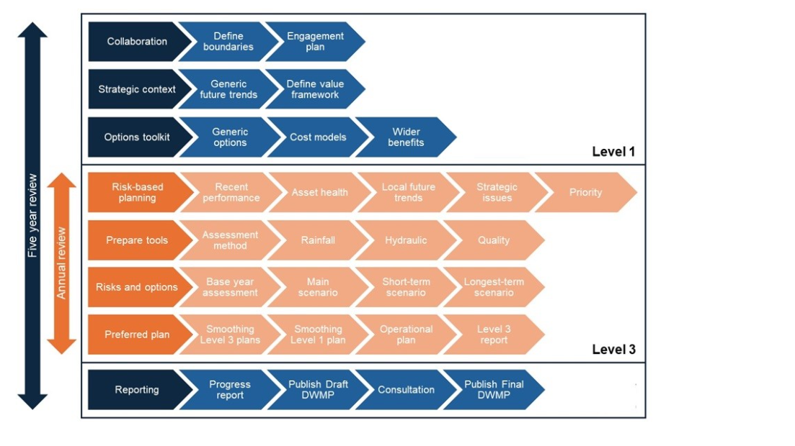
Figure 1. Stages of the DWMP

L3 Table
DWMP stages
Prepare the tools complete: Autumn 2025
Risk Assessment complete: Spring 2026
Options Development complete: Winter 2026/27
Plan Balancing complete: Spring 2027
Draft DWMP published: 01/11/2027
Final DWMP published: 31/08/2028
Table 2: DWMP28 L3 Annual Progress report 2025 |  |  |  |  |  | Percentage of total population having a detailed study | 99.982%
 |  |  |  |  |  | Percentage of total population having a water quality impact study | 99.295%

 |  | Edge Analytics Vicus Data Central Scenario (ref: OxCam-1a-P) for all years
Level 3 planning area (Catchment) | Level 2 Planning area (River Basin/Large London Catchments) | Population 2025 | Population 2030 | Population 2040 | Population 2055 | Percentage increase in population between 2025 and 2055 | Is a detailed planning study required? | Is a water quality impact study planned? | Date of most recent revision of the full plan (inc. dates from earlier cycles) | Date of most recent revision of the short-term plan including dates from earlier cycles. | Is a revision required due to performance or trend changes | The current stage of study

 | Unit | Number | Number | Number | Number | Percent | Text | Text | Date | Date | Text | Text
 | Decimal Place / Selector | 0 | 0 | 0 | 0 | 0 | Yes/No | Yes/No | MMM-YY | MMM-YY | Yes/No/NA | Text
ABBESS RODING STW | Roding Beam and Ingrebourne | 564 | 579 | 622 | 679 | 20% | Yes | Yes | May-23 | Aug-24 | No | Risk Assessment
ABINGDON STW | Gloucestershire and the Vale | 38197 | 39371 | 40727 | 44660 | 17% | Yes | Yes | May-23 | Aug-24 | No | Risk Assessment
ADBURY HOLT STW | Kennet and Trib | 9 | 9 | 9 | 10 | 11% | Yes | Yes | May-23 | Aug-24 | No | Risk Assessment
ALDERMASTON STW | Kennet and Trib | 327 | 328 | 334 | 353 | 8% | Yes | Yes | May-23 | Aug-24 | No | Risk Assessment
ALDERSHOT (MOD) STW | Loddon and Trib | 133 | 129 | 148 | 150 | 13% | Yes | No | May-23 | Aug-24 | No | Risk Assessment
ALDERSHOT STW | Loddon and Trib | 41134 | 42587 | 43186 | 45654 | 11% | Yes | Yes | May-23 | Aug-24 | No | Risk Assessment
ALTON STW | Wey and Trib | 25323 | 26451 | 28638 | 31507 | 24% | Yes | Yes | May-23 | Aug-24 | No | Risk Assessment
AMPNEY ST PETER STW | Gloucestershire and the Vale | 2136 | 2234 | 2343 | 2564 | 20% | Yes | Yes | May-23 | Aug-24 | No | Risk Assessment
ANDOVERSFORD STW | Gloucestershire and the Vale | 726 | 812 | 847 | 918 | 26% | Yes | Yes | May-23 | Aug-24 | No | Risk Assessment
APPLETON STW | Gloucestershire and the Vale | 6508 | 7128 | 7486 | 8261 | 27% | Yes | Yes | May-23 | Aug-24 | No | Risk Assessment
ARBORFIELD STW | Loddon and Trib | 19006 | 19646 | 20401 | 22502 | 18% | Yes | Yes | May-23 | Aug-24 | No | Risk Assessment
ASCOT STW | Maidenhead and Sunbury | 25855 | 26418 | 27463 | 29471 | 14% | Yes | Yes | May-23 | Aug-24 | No | Risk Assessment
ASH RIDGE (WOKINGHAM) STW | Loddon and Trib | 15090 | 15393 | 15910 | 17539 | 16% | Yes | Yes | May-23 | Aug-24 | No | Risk Assessment
ASH VALE STW | Loddon and Trib | 15294 | 15773 | 16617 | 17855 | 17% | Yes | Yes | May-23 | Aug-24 | No | Risk Assessment
ASHAMPSTEAD STW | Thames and Chilterns South | 148 | 149 | 152 | 164 | 11% | Yes | Yes | May-23 | Aug-24 | No | Risk Assessment
ASHENDON STW | Cherwell and Ray | 246 | 246 | 251 | 285 | 16% | Yes | Yes | May-23 | Aug-24 | No | Risk Assessment
ASHFORD HILL STW | Kennet and Trib | 56 | 113 | 115 | 124 | 121% | Yes | Yes | May-23 | Aug-24 | No | Risk Assessment
ASHLEY GREEN STW | Colne | 293 | 293 | 300 | 343 | 17% | Yes | Yes | May-23 | Aug-24 | No | Risk Assessment
ASHTON KEYNES STW | Gloucestershire and the Vale | 1388 | 1433 | 1442 | 1544 | 11% | Yes | Yes | May-23 | Aug-24 | No | Risk Assessment
ASTON ABBOTTS (AW) STW | Thames and Chilterns South | 339 | 339 | 348 | 400 | 18% | Yes | No | May-23 | Aug-24 | No | Risk Assessment
ASTON LE WALLS STW | Cherwell and Ray | 252 | 257 | 263 | 291 | 15% | Yes | Yes | May-23 | Aug-24 | No | Risk Assessment
AVON DASSETT STW | Cherwell and Ray | 198 | 199 | 202 | 221 | 12% | Yes | Yes | May-23 | Aug-24 | No | Risk Assessment
AYLESBURY STW | Thames and Chilterns South | 120037 | 125927 | 131858 | 149759 | 25% | Yes | Yes | May-23 | Aug-24 | No | Risk Assessment
BAMPTON STW | Cotswolds | 3835 | 3860 | 4112 | 4514 | 18% | Yes | Yes | May-23 | Aug-24 | No | Risk Assessment
BANBURY STW | Cherwell and Ray | 59391 | 62941 | 75328 | 95485 | 61% | Yes | Yes | May-23 | Aug-24 | No | Risk Assessment
BARFORD STW | Cherwell and Ray | 746 | 762 | 904 | 1169 | 57% | Yes | Yes | May-23 | Aug-24 | No | Risk Assessment
BARKWAY STW | Lee Upper | 835 | 941 | 1060 | 1169 | 40% | Yes | Yes | May-23 | Aug-24 | No | Risk Assessment
BASILDON PARK STW | Thames and Chilterns South | 13 | 13 | 13 | 14 | 8% | No | Yes | May-23 | Aug-24 | No | Risk Assessment
BASINGSTOKE STW | Loddon and Trib | 123179 | 126744 | 132505 | 141986 | 15% | Yes | Yes | May-23 | Aug-24 | No | Risk Assessment
BAYDON STW | Kennet and Trib | 586 | 581 | 583 | 628 | 7% | Yes | Yes | May-23 | Aug-24 | No | Risk Assessment
BECKLEY STW | Cherwell and Ray | 364 | 373 | 385 | 429 | 18% | Yes | Yes | May-23 | Aug-24 | No | Risk Assessment
BECKTON STW | Beckton | 2990678 | 3194994 | 3570453 | 3806075 | 27% | Yes | Yes | May-23 | Aug-24 | No | Risk Assessment
BEDDINGTON STW | Beddington | 440129 | 452883 | 480536 | 514587 | 17% | Yes | Yes | May-23 | Aug-24 | No | Risk Assessment
BEENHAM STW | Thames and Chilterns South | 707 | 709 | 722 | 761 | 8% | Yes | Yes | May-23 | Aug-24 | No | Risk Assessment
BENSON STW | Thames and Chilterns South | 6716 | 7163 | 7378 | 8066 | 20% | Yes | Yes | May-23 | Aug-24 | No | Risk Assessment
BENTLEY STW | Wey and Trib | 2619 | 2691 | 2950 | 3282 | 25% | Yes | Yes | May-23 | Aug-24 | No | Risk Assessment
BERKHAMSTED STW | Colne | 24518 | 25879 | 28342 | 31226 | 27% | Yes | Yes | May-23 | Aug-24 | No | Risk Assessment
BIBURY STW | Gloucestershire and the Vale | 419 | 423 | 446 | 489 | 17% | Yes | Yes | May-23 | Aug-24 | No | Risk Assessment
BICESTER STW | Cherwell and Ray | 43289 | 45815 | 54800 | 69443 | 60% | Yes | Yes | May-23 | Aug-24 | No | Risk Assessment
BILLERICAY (AW) STW | Roding Beam and Ingrebourne | 1019 | 1026 | 1076 | 1152 | 13% | Yes | No | May-23 | Aug-24 | No | Risk Assessment
BILLINGBEAR STW | Loddon and Trib | 26 | 27 | 27 | 29 | 12% | Yes | Yes | May-23 | Aug-24 | No | Risk Assessment
BISHOPS GREEN STW | Kennet and Trib | 2 | 1 | 1 | 1 | -50% | Yes | Yes | May-23 | Aug-24 | No | Risk Assessment
BISHOPS STORTFORD STW | Lee Upper | 49772 | 54282 | 59106 | 64771 | 30% | Yes | Yes | May-23 | Aug-24 | No | Risk Assessment
BLACKBIRDS STW | Colne | 1332 | 1684 | 2268 | 2442 | 83% | Yes | Yes | May-23 | Aug-24 | No | Risk Assessment
BLEDINGTON STW | Cotswolds | 568 | 575 | 609 | 669 | 18% | Yes | Yes | May-23 | Aug-24 | No | Risk Assessment
BLETCHINGDON STW | Cherwell and Ray | 1348 | 1377 | 1629 | 2104 | 56% | Yes | Yes | May-23 | Aug-24 | No | Risk Assessment
BLOXHAM STW | Cherwell and Ray | 4802 | 4901 | 5795 | 7412 | 54% | Yes | Yes | May-23 | Aug-24 | No | Risk Assessment
BLUNSDON STW | Gloucestershire and the Vale | 2282 | 3109 | 3348 | 3726 | 63% | Yes | Yes | May-23 | Aug-24 | No | Risk Assessment
BODDINGTON STW | Cherwell and Ray | 624 | 635 | 650 | 730 | 17% | Yes | Yes | May-23 | Aug-24 | No | Risk Assessment
...

